Hiearchy View
CLASS: PURGE PANEL
solution for using electrical/electronic devices in hazardous areas containing flammable gases, conductive dust, corrosive gases & combination of these. |  | 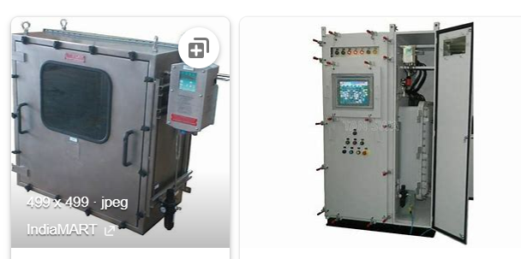
REMOVE | N

PROBLEM_DESC | CAUSE_DESC | REMEDY_DESC
BROKEN/DAMAGED
NOISE
OTHER PROBLEM
PESTS
POWER-ELEC
STOPPED/SLOWED/POOR OPS
TEMP-CTRL
VIBRATION
Grand Total

